Matches Won by teams
Matches won by teams Batting or Fielding First
 | Bat | Field
Sunrisers Hyderabad | 2 | 1
Rajasthan Royals |  | 5
Punjab Kings |  | 6
Mumbai Indians | 2 | 5
Kolkata Knight Riders | 3 | 6
Royal Challengers Bangalore | 2 | 7
Delhi Capitals | 3 | 7
Chennai Super Kings | 4 | 7
Count of TossDecision | TossDecision
WinningTeam | Bat | Field | Grand Total
Sunrisers Hyderabad | 2 | 1 | 3
Rajasthan Royals |  | 5 | 5
Punjab Kings |  | 6 | 6
Mumbai Indians | 2 | 5 | 7
Kolkata Knight Riders | 3 | 6 | 9
Royal Challengers Bangalore | 2 | 7 | 9
Delhi Capitals | 3 | 7 | 10
Chennai Super Kings | 4 | 7 | 11
Grand Total | 16 | 44 | 60

Toss Decision by winning teams
Toss Decision by winning teams (%)
TossDecision | Count of WinningTeam
Bat | 26.67%
Field | 73.33%
Grand Total | 100.00%

Matches won by team on venues
Matches won by teams on a particular venue Batting vs Fielding first
 | Bat | Field
Dubai International Cricket Stadium | 4 | 9
Sharjah Cricket Stadium | 2 | 8
Wankhede Stadium, Mumbai | 1 | 9
MA Chidambaram Stadium, Chepauk, Chennai | 5 | 5
Zayed Cricket Stadium, Abu Dhabi | 3 | 5
Narendra Modi Stadium, Ahmedabad |  | 5
Arun Jaitley Stadium, Delhi | 1 | 3
Count of WinningTeam | TossDecision
Venue | Bat | Field | Grand Total
Dubai International Cricket Stadium | 4 | 9 | 13
Sharjah Cricket Stadium | 2 | 8 | 10
Wankhede Stadium, Mumbai | 1 | 9 | 10
MA Chidambaram Stadium, Chepauk, Chennai | 5 | 5 | 10
Zayed Cricket Stadium, Abu Dhabi | 3 | 5 | 8
Narendra Modi Stadium, Ahmedabad |  | 5 | 5
Arun Jaitley Stadium, Delhi | 1 | 3 | 4
Grand Total | 16 | 44 | 60

Man of the Match Winners
Man of the Match Winners
Player_of_Match | Count of Player_of_Match | Players | MOM Won
RD Gaikwad | 4 | RD Gaikwad | 4
KL Rahul | 3 | KL Rahul | 3
SP Narine | 3 | SP Narine | 3
GJ Maxwell | 3 | GJ Maxwell | 3
KA Pollard | 3 | KA Pollard | 3
RA Jadeja | 2 | RA Jadeja | 2
S Dhawan | 2 | S Dhawan | 2
AR Patel | 2 | AR Patel | 2
F du Plessis | 2 | F du Plessis | 2
PP Shaw | 2 | PP Shaw | 2
AB de Villiers | 2 | AB de Villiers | 2
YS Chahal | 1 | YS Chahal | 1
EJG Morgan | 1 | EJG Morgan | 1
DJ Bravo | 1 | DJ Bravo | 1
Harpreet Brar | 1 | Harpreet Brar | 1
CH Morris | 1 | CH Morris | 1
HV Patel | 1 | HV Patel | 1
N Rana | 1 | N Rana | 1
Ishan Kishan | 1 | Ishan Kishan | 1
DL Chahar | 1 | DL Chahar | 1
JC Buttler | 1
Shivam Mavi | 1
JD Unadkat | 1
SV Samson | 1
JJ Roy | 1
MM Ali | 1
JM Bairstow | 1
NM Coulter-Nile | 1
JO Holder | 1
Q de Kock | 1
JR Hazlewood | 1
RD Chahar | 1
A Mishra | 1
D Padikkal | 1
Kartik Tyagi | 1
Shubman Gill | 1
CV Varun | 1
SS Iyer | 1
KS Bharat | 1
VR Iyer | 1
KS Williamson | 1
A Nortje | 1
MA Agarwal | 1
Grand Total | 60

Dashboard
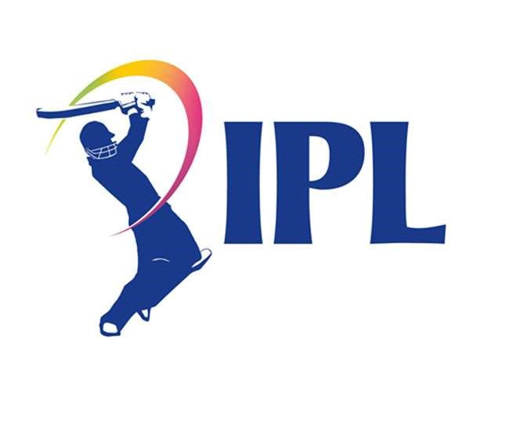
Season
2021 |  |  |  | Season | Winner | Runner Up | Venue
Grand Total |  |  |  | 2021 | Chennai Super Kings | Kolkata Knight Riders | Dubai

Man of the Match Winners
 | MOM Won
RD Gaikwad | 4
KL Rahul | 3
SP Narine | 3
GJ Maxwell | 3
KA Pollard | 3
RA Jadeja | 2
S Dhawan | 2
AR Patel | 2
F du Plessis | 2
PP Shaw | 2
AB de Villiers | 2
YS Chahal | 1
EJG Morgan | 1
DJ Bravo | 1
Harpreet Brar | 1
CH Morris | 1
HV Patel | 1
N Rana | 1
Ishan Kishan | 1
DL Chahar | 1

Season | Winner | Runner Up | Venue
2021 | Chennai Super Kings | Kolkata Knight Riders | Dubai

Matches won by teams on a particular venue Batting vs Fielding first
 | Bat | Field
Dubai International Cricket Stadium | 4 | 9
Sharjah Cricket Stadium | 2 | 8
Wankhede Stadium, Mumbai | 1 | 9
MA Chidambaram Stadium, Chepauk, Chennai | 5 | 5
Zayed Cricket Stadium, Abu Dhabi | 3 | 5
Narendra Modi Stadium, Ahmedabad |  | 5
Arun Jaitley Stadium, Delhi | 1 | 3

Matches won by teams Batting or Fielding First
 | Bat | Field
Sunrisers Hyderabad | 2 | 1
Rajasthan Royals |  | 5
Punjab Kings |  | 6
Mumbai Indians | 2 | 5
Kolkata Knight Riders | 3 | 6
Royal Challengers Bangalore | 2 | 7
Delhi Capitals | 3 | 7
Chennai Super Kings | 4 | 7
Toss Decision by winning teams (%)
 | Total
Bat | 26.67%
Field | 73.33%

